Sheet1
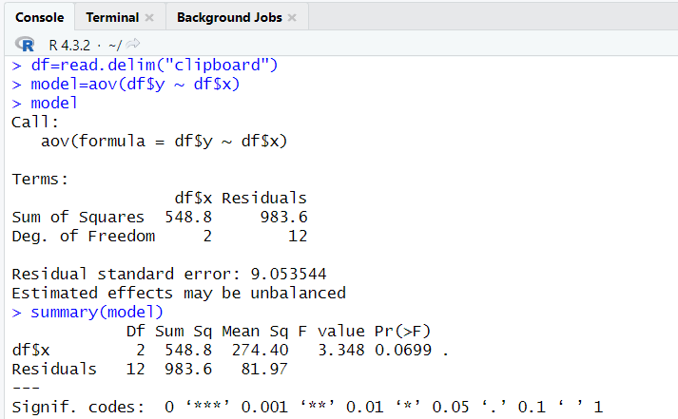
Metode A | 77 | 54 | 67 | 74 | 71
Metode B | 60 | 41 | 59 | 65 | 62
Metode C | 49 | 52 | 69 | 47 | 56
 |  |  |  |  |  |  |  |  | y | x
 |  |  |  |  |  |  |  |  | 77 | A
 | Metode A | Metode B | Metode C |  |  |  |  |  | 54 | A
 | 77 | 60 | 49 |  |  |  |  |  | 67 | A
 | 54 | 41 | 52 |  |  |  |  |  | 74 | A
 | 67 | 59 | 69 |  |  |  |  |  | 71 | A
 | 74 | 65 | 47 |  |  |  |  |  | 60 | B
 | 71 | 62 | 56 |  |  |  |  |  | 41 | B
 |  |  |  |  |  |  |  |  | 59 | B
 |  |  |  |  |  |  |  |  | 65 | B
 |  |  |  |  |  |  |  |  | 62 | B
mean | 68.6 | 57.4 | 54.6 | 60.2 |  |  |  |  | 49 | C
variance | 80.3 | 89.3 | 76.3 |  |  |  |  |  | 52 | C
 |  |  |  |  |  |  |  |  | 69 | C
SSTR | 548.8 |  |  |  |  |  |  |  | 47 | C
MSTR | 274.4 |  |  |  |  |  |  |  | 56 | C

SSE | 983.6
MSE | 81.97
 |  |  |  |  |  | Nama: Almakius Felix Bariq Hekopung
F | 3.348 |  |  |  |  | Nim: 065002300016

plant_a | 4.17 | 5.58 | 5.18 | 6.11 | 4.5 | 4.61 | 5.17 | 4.53 | 5.33 | 5.14
plant_b | 4.81 | 4.17 | 4.41 | 3.59 | 5.87 | 3.83 | 6.03 | 4.89 | 4.32 | 4.69
plant_c | 6.31 | 5.12 | 5.54 | 5.5 | 5.37 | 5.29 | 4.92 | 6.15 | 5.8 | 5.26

 | plant_a | plant_b | plant_c
 | 4.17 | 4.81 | 6.31
 | 5.58 | 4.17 | 5.12
 | 5.18 | 4.41 | 5.54
 | 6.11 | 3.59 | 5.5
 | 4.5 | 5.87 | 5.37
 | 4.61 | 3.83 | 5.29
 | 5.17 | 6.03 | 4.92
 | 4.53 | 4.89 | 6.15
 | 5.33 | 4.32 | 5.8
 | 5.14 | 4.69 | 5.26

mean | 5.032 | 4.661 | 5.526 | 5.073
variance | 0.3399955556 | 0.6299211111 | 0.1958711111

SSTR | 3.76634
MSTR | 1.88317
 |  |  |  |  |  |  |  | Nama: Almakius Felix Bariq Hekopung
SSE | 10.49209 |  |  |  |  |  |  | Nim: 065002300016
MSE | 0.3885959259

F | 4.846087862

